1. Title Page
[Project Name]

Project Name: Grocery Basket Analysis
Date: 0701/2022
Analyst Name: Stephanie Monson

Contents:
Population Flow
Consistency checks
Wrangling steps
Column derivations
Visualizations
Recommendations

Data Citation: “The Instacart Online Grocery Shopping Dataset 2017”, Accessed from https://www.instacart.com/datasets/grocery-shopping-2017 on [date]. The customer data, as well as the “prices” column in the products data set, were both fabricated for the purpose of this course.

2. Population Flow
 | Title page

Population flow

Exclusion flag
Condition: max_order < 5
Obervations to be removed: 1440295
Final total count of order_products_all: 30964564

Orders_products_combined
Orders_products_merged
Orders_products_all

Total:
Total:
Total:
32404859

1.) The grey boxes in the first row of the population flow represent the original data sets as they were when you downloaded them. In the Total fields you need to add the count of the rows when you imported the data set into Jupyter.
2.) The second row of boxes (coloured) represents the data sets after you manipulated them, e.g., removed missing values and duplicates. In the Total fields you need to add the count of the rows after conducting these operations. This offers a visual oveview of how the data flows throughout the data consistency checks.
3.) The third row, where also the arrows are coloured, represents the merges you performed between the datasets. In the Total fields you need to add the count of the rows in the merged datasets, so that you end up with the final dataset (in the red box). Keep in mind the final dataset should be without exclusions (based on the exclusion flag).

3. Consistency checks
 |  |  |  | Title page
Consistency checks

Dataset | Missing values | Missing values treatment | Duplicates
orders | 0 | n/a | 0
products | 16 | deleted from data set | 0
orders_products_prior | 0 | n/a | 0
customers | 11259 | removed variable | 0
days_since_prior_order | Day one 0 | disregard/not relevant

4. Wrangling steps
 |  |  |  | Title page
Wrangling steps

Columns dropped | Columns renamed | Columns' type changed | Comment/Reason
merge |  |  | not necessary to analysis
 | order_hour_of_day |  | changed to time_of_order for clarification
first_name |  |  | unnecessary private information PII
 | order_dow |  | changed to orders_day_of_week for clarification
surnam |  |  | unnecessary private information PII
Gender |  |  | unnecessary private information PII
eval_set |  |  | not necessary to analysis
 |  | order_id, user_id, | changed to int32
 |  | prices | changed to int32
 |  | order_number, reordered, | changed to int8
 |  | orders_day_of_week, | changed to int8
 |  | time_of_order, max_order | changed to int8
 |  | department_id | changed to int8
 |  | days_since_prior_order | changed to float32
 |  | Spending, Order_frequency | changed to float32
 |  | product_name, STATE, | changed to category
 |  | busiest_days, fam_status, | changed to category
 |  | date_joined, Frequency_ | changed to category
 |  | flag, loyalty_flag | changed to category
 |  | busiest_period_of_day, | changed to category
 |  | Spending_flag | changed to category

5. Column derivations
 |  |  |  | Title page

Column derivations and aggregations

In this tab you should add tables below that the frequences of flags/label variables that you produced after deriving them. NB: don't do this for continuous variables, only for flags.
Dataset | New column | Column/s it was derived from | Conditions
df | region | state | states grouped to 4 regions
 | low_orders_flag | max_order | under 5 orders
 | age group | age | define age groups
 | income_group | income | define income groups

df_orders_products_derived | busiest day | orders_day_of_week | grouped daily orders
 | busiest_period_of_day | time_of_order | tallied sales by hour
df_orders_products_derived | spending_flag | Spending | user price < or > 10
 | spending | user_id, prices
 | order_frequency | user_id, days_since_prior_order | # of days previous order
 | frequency_flag | Order_frequency
 | loyalty_flag | max_order
df_orders_products_combined | price_label | prices
 | price_range_loc | prices

low Orders Flag: good orders 30964564, low orders 1440295
loyalty_flag: Regular customer 15876776, Loyal customer 10284093, New customer 6243990
Spending_flag: Low spender 31770995, High spender 633864
frequency_flag: Frequent customer 21559853, Regular customer 7208564, Non-frequent customer 3636437, NaN 5
price_range_loc (flag_: Mid-range product 21860860, Low-range product 10126321, High-range product 417678

6. Visualizations
 |  |  |  |  |  |  |  | Title page

Visualisations

In this tab you should include all the visualtions from Exercises 4.9 and 4.10, alongside the questions from the project brief that they answer. Include any commentary on the relationship between different variables.

1. The sales team needs to know what the busiest days of the week and hours of the day are (i.e., the days and times with the most orders) in order to schedule ads at times when there are fewer orders.

 | Orders by Day of the Week |  |  |  |  | Orders by Hour of day
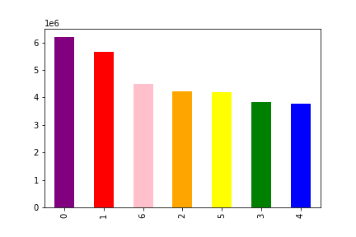

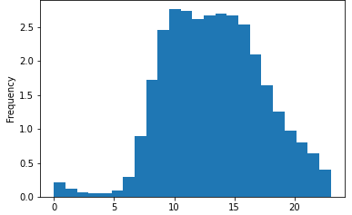

0=Saturday, 1=Sunday, 2=Monday, 3=Tuesday, 4=Wednesday, 5=Thursday, 6=Friday |  |  |  |  | The greatest number of orders are placed 8am-5pm.
The weekend is the time of highest orders.

2. The sales team also wants to know what time customers spend the most.

 |  | Spending by Hour

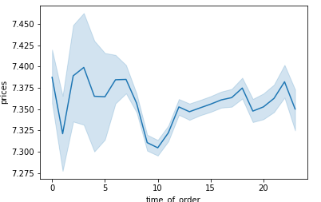

Customers spend the most betweer 3am-7am.

3. Marketing and sales want to use simpler price range groupings to help direct their efforts.

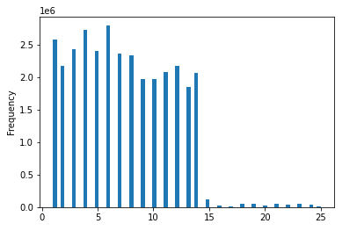

 |  | Prices

 | Prices range $1-24, with the bulk of products under $14.
 | There are much lower prices above $15. Recommend
 | grouping > $15 as high priced and segment the lower
 | into 3 groups, low, average and moderate.

4. Which departments and products are most popular?

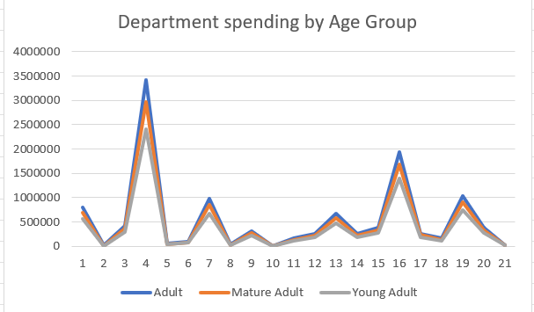

 | Department 4 (produce) is by far the most popular, department 16 (dairy/egs) is second most popular.

5. The marketing and sales teams are interested in the different types of customers in their system and how their ordering behaviors differ.

 |  |  | Customer Loyalty
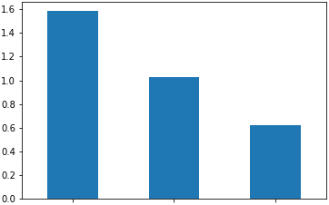
Spending by Region
 | High spender | Low spender | Spending total
Midwest | 155932 | 7441393 | 7597325
Northeast | 108180 | 5614556 | 5722736
South | 209481 | 10582404 | 10791885
West | 160271 | 8132642 | 8292913
Age Groups by Region
 | Adult | Mature Adult | Young Adult
Midwest | 2787659 | 2356770 | 1911873
Northeast | 2028982 | 1809013 | 1468075
South | 3839307 | 3361229 | 2768458
West | 2995307 | 2585595 | 2093889

 | Regular |  | Loyal | New

 | Regular customers are the most loyal.

Spending by Age Group
 | High spender | Low spender
Adult | 234185 | 11417070
Mature Adult | 199343 | 9913264
Young Adult | 149511 | 8092784
 |  |  |  |  | The South Region spends the most.

 |  |  |  |  |  | Number of dependants by Age
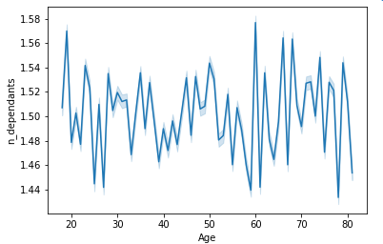
Number of Dependants by Age Group
 | Adult | Mature Adult | Young Adult
0 | 2916720 | 2533101 | 2063558
1 | 2966621 | 2476027 | 2045857
2 | 2850376 | 2578268 | 2061346
3 | 2917538 | 2525211 | 2071534

 |  | There is no variation in spending in the age groups.

 |  |  | Spending Power |  |  |  | Prices by Time of Order
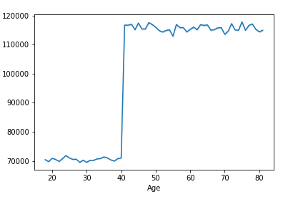
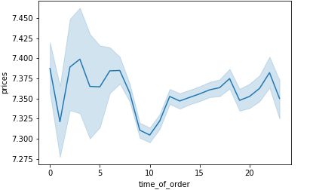
Frequency of orders by Age Group Statistics
 | mean | min | max
Adult | 9.955354 | 0 | 30
Mature Adult | 9.941589 | 0 | 30
Young Adult | 9.959362 | 0 | 30

 | Spending power goes up drastically after age 40.

 |  |  | Spending by Age
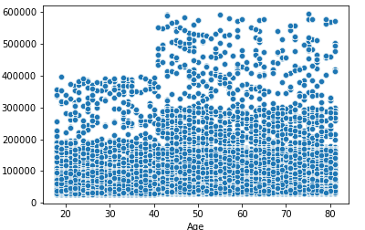
Income Group by Age Group
 | Higher Income | Lower Income | Mid Income
Adult | 8722585 | 1125337 | 1803333
Mature Adult | 8570708 | 831490 | 710409
Young Adult | 3179615 | 1283570 | 3779056

Spending by Age Group Statistics
 | Adult | Mature Adult | Young Adult
mean | 12.010174 | 11.806149 | 12.133971
min | 1 | 1.2625 | 1.628572
max | 15006.4043 | 14042.512695 | 10209.987305

 |  | Spending increases at age 40.

7. Recommendations
 |  |  |  |  |  |  |  |  |  | Title page

Recommendations

In this tab you should include any recommendations you would made to Instcart in terms of their marketing strategy based on the questions posed in the brief. Every key question has been covered in the Tasks of the Exercises - here you need to add an item - a visualisation or table/crosstable that is showing the answer in the data, acompanied by a comment from you. Please, list the questions below and add the answer underneath.

Question |  | Answer
1. The sales team needs to know what the busiest days of the week and hours of the day are (i.e., the days and times with the most orders) in order to schedule ads at times when there are fewer orders.

 | Orders by Day of the Week |  |  |  |  |  |  | Orders by Hour of day

 |  |  |  |  |  |  |  |  |  |  | Recommendation: The weekend (Saturday & Sunday) are the days of most orders and daytime hours (8am-5pm)

0=Saturday, 1=Sunday, 2=Monday, 3=Tuesday, 4=Wednesday, 5=Thursday, 6=Friday |  |  |  |  |  |  | The greatest number of orders are placed 8am-5pm.
The weekend is the time of highest orders.

2. The sales team also wants to know what time customers spend the most.

 |  | Spending by Hour

 |  |  |  |  | Recommendation: Spending is highest in early morning hours, ads should focus on these times.

Customers spend the most betweer 3am-7am.

3. Marketing and sales want to use simpler price range groupings to help direct their efforts.

 |  |  |  |  | Prices range $1-24, with the bulk of products under $14.
 |  |  |  |  | There are much lower prices above $15. Recommend
 |  |  |  |  | grouping > $15 as high priced and segment the lower
 |  |  |  |  | into 3 groups, low, average and moderate.

 |  | Prices

4. Which departments and products are most popular?

 |  |  |  |  |  |  | Recommendation: The marketing team should promote produce and dairy/Eggs in ads as they are the most popular products.

 |  | Department 4 (produce) is by far the most popular, department 16 (dairy/egs) is second most popular.

5. The marketing and sales teams are interested in the different types of customers in their system and how their ordering behaviors differ.

 |  |  | Customer Loyalty
Spending by Region
 | High spender | Low spender | Spending total
Midwest | 155932 | 7441393 | 7597325
Northeast | 108180 | 5614556 | 5722736
South | 209481 | 10582404 | 10791885
West | 160271 | 8132642 | 8292913
Number of Dependants by Age Group
 | Adult | Mature Adult | Young Adult
0 | 2916720 | 2533101 | 2063558
1 | 2966621 | 2476027 | 2045857
2 | 2850376 | 2578268 | 2061346
3 | 2917538 | 2525211 | 2071534

 |  | Regular | Loyal | New

 |  | Regular customers are the most loyal.

Spending by Age Group
 | High spender | Low spender
Adult | 234185 | 11417070
Mature Adult | 199343 | 9913264
Young Adult | 149511 | 8092784
 |  |  |  |  |  | Customers in the South Region spend the most.

Frequency of orders by Age Group Statistics
 | mean | min | max
Adult | 9.955354 | 0 | 30
Mature Adult | 9.941589 | 0 | 30
Young Adult | 9.959362 | 0 | 30
 |  |  |  |  |  |  |  |  | Spending by Age

 |  |  | Recommendation: Regular customers are the most loyal and spend the most. There is no significant difference in spending, the majority of customers are low spenders (this is not affected by age or region).
 |  |  |  |  | Marketing efforts should target regular customers, promoting the most popular products, produce and dairy/eggs. These efforts should be placed in the times of greatest ordering, 8am-5pm on the weekends.
 |  |  |  |  | While the South Region currently spends the most, marketing efforts should also target the Adult and Mature Adult groups in the other regions.

